Instructions
Sample Manifest Instructions

For each sample, please complete all applicable fields. You must print a copy of this manifest and enclose it with your sample shipment. Please also email the completed manifest file in advance of shipment to: SampleManager@Metabolon.com, referencing your assigned project code in the subject line. Please refer to Metabolon's Sample Preparation and Shipping Guidelines for additional information and instructions.

 | Ship Metabolomics Samples To: | Metabolon Sample Acceptance
 |  | Attn: Sample Manager
 |  | 617 Davis Drive, Suite 400
 |  | Morrisville, NC 27560 USA
 |  | Phone: +1-919-572-1711

 | Contact Information: | Please provide your contact information here
 |  | Name
 |  | Address
 |  | Phone Number
 |  | Email

 | Disclaimers: | Please consult your courier regarding shipping restrictions and precautions for shipping biological material or chemicals.
See following pages for instructions.

Introduction
To ensure expedient project delivery by Metabolon, a client completed manifest is required with the following minimum criteria (* Required completed fields):
● Project details: Project Code*, Primary Investigator* and their email address*
● Minimum sample details: Unique Tube Label ID*, Client Sample ID*, Client Matrix*, Sample Amount* and Sample Amount Units*
● For projects with Metagenomics, please indicate which samples are intended for Metagenomics in the Sample Description field.
● The sample Box Number and Box location (A1, A2, etc.) is required for each sample if the Unique Tube Label ID is a Human readable or 1D barcode label located on the side of the sample tube (See Definitions).
● If Metabolon supplied 2D datamatrix samples tubes or acceptable commerical available 2D datamatrix sample tubes can't be used, printed barcoded labels as the Unique Tube Label ID are preferred (See Table 1 and 2).
Completing the Metabolon Manifest Template
1. With a barcode scanner, scan the Unique Tube Label ID into column B. For Human readable labels, type Unique Tube Label ID into column B.
2. Enter the Client Sample ID into Column C.
3. Enter the Client Matrix (EDTA plasma, serum, feces, etc.) into Column D.
4. If applicable, enter "Metagenomics" in the Sample Description field, Column E, to designate which samples are intended for this analysis.
5. Enter the rack or container ID in Column F and the sample tube position within the rack/container in Column G.
6. Enter the sample amount in column H and their units in column I.
7. Enter any specific information about samples, including preparation method or how samples were preserved (i.e. flash frozen, DNA Genotek tube type, etc.), in Column J.
8. Enter any other sample atributes/metadata to support statistical analysis in Columns K to U. If additional columns are needed for custom attributes, columns V to AE can also be used and renamed as necessary.
To ensure proper balancing of your samples across the entire run, please enter the subject sample metadata (Age, Sex, Race, disease state, etc.) for each sample as indicated in Step 8. If you desire to balance your own study, please provide the desired run order with groups balanced in 36 sample subset increments. If you balance your own samples, please ship your balanced sample in box order to expedite sample processing.
9. Verify all scanned or entered Unique Tube Label IDs are unique. Any duplicates IDs will automatically be identified with a red background in column B.
10. If the Unique Tube Label ID is a human readable or a 1D barcode that is located on the side of the sample tube, then enter the sample Box Number in columns F and Box location (A1, A2, etc.) in column G to expedite sample sorting and processing upon receipt at Metabolon.
11. Send an electronic copy of the completed manifest to samplemanager@metabolon.com.
Definitions
Project Code – The project code defined post the contract phase.
Primary Investigator Name – The primary investigator as defined on the contract terms and conditions.
Unique Tube Label ID* – A 2D data matrix barcode, 1D barcode, or human readable tube label identifier that is different among all samples within a given project and on the shipment manifest. The label is legible, typically 8-15 characters in length, and fits within the tube label dimensions.
2D Datamatrix barcoded label – A sample tube with a 2D barcode that is most often located on the bottom of a sample tube (See Figure 1).
1D barcode label– a one dimensional barcode located on the side of a sample tube.
Human readable label – a written or typed alphanumeric label located on the side of a sample tube.

Client Sample ID* – An alphanumeric description of the sample defined by the client that is used to report study findings. It may not be a unique label for each sample whereas the Unique Tube label ID must be unique.
Client Matrix* – The specimen type such as EDTA plasma, serum, feces, tissue, etc.
Sample Description – Provide relevant information about the sample, including but not limited to "Metagenomics" designation.
Box Number– A unique label that identifies the box that contains the sample.
Sample Box Location– the specific sample location within a sample box (A1, A2, etc.), where the alpha character is the box column and the numeric is a box row.
Metabolon Standards and Sample Vial Label Type
For sample traceability and quality control transcription of Unique Sample Tube Label ID, Metabolon has adopted 2D data-Matrix barcoded tubes contained in 1D barcoded storage racks. Metabolon ships a Sample kit to clients post the contractual phase. This sample kit contains 0.75ml FluidX (liquid samples) 2D tubes or 3.00ml Micronic 2D tissue tubes (solid samples) and a barcode scanner to facilitate the sample chain of custody between the client and Metabolon. In cases where clients are unable to use Metabolon’s standard 2D barcoded tubes, alternative commercially available sample tubes can also be received (see Table 2). While Metabolon will still receive samples within human readable labeled tubes, it is not preferred as it can lead to labeling discrepancies that cam delay the project.

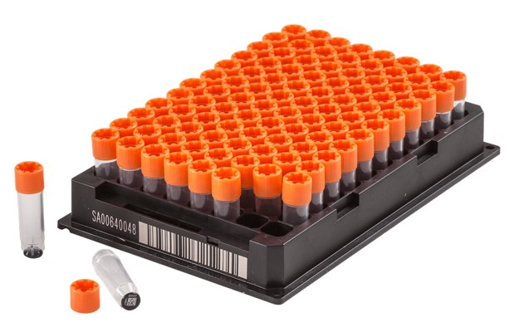
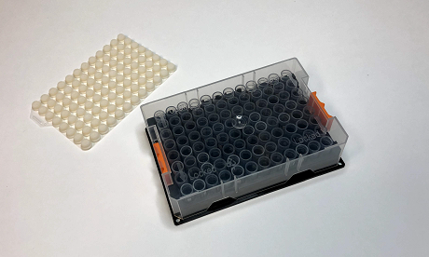
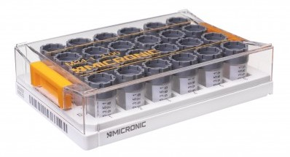

Figure 1a Figure 1b
Figure 2 Example of a 2D data-Matrix barcoded tube and associated storage rack for solids (e.g., Tissue, feces, etc.).
Figure 1 Example of a 2D datamatrix barcoded tube and associated storage rack for liquids (e.g., Serum, Plasma, Cell Media, etc.).

Table 1
Label Type |  | Label Location
Human Readable |  | side
1D barcode |  | side
2D barcode |  | side
2D Datamatrix barcode, Brooks FluidX, Thermo, Matrix or equivalent. |  | bottom

Table 2
Tube Type | Sample Type | Description | Barcode | Tube Part # | Cap | Supplier | Standardization
0.75ml FluidX | Biofluid | FluidX Tri-Coded Jacket 0.75ml Sample Storage Tube with Internal Thread | Yes | 67-0750-02 | 65-73000 | Brooks | Standard2
0.5ml Matrix | Biofluid | V-Bottom ScrewTop Tubes with white patch and linear barcode | Yes | 3745-WP1D-BR | 4490 | Thermo | Viable equivalent2
0.5ml Matrix | Biofluid | V-Bottom ScrewTop Tubes with white patch and linear barcode | Yes | 3744-WP1D-BR | N.A. | Thermo | Viable equivalent2
1.0ml Matrix | Biofluid | V-Bottom ScrewTop Tubes | Yes | 3741 | N.A. | Thermo | Viable equivalent
3ml Micronic Tube | Tissue, Fecal, biosolids | Micronic 3.00ml tissue storage tubes with External Thread | Yes | MP52960Y20 | N.A. | Micronic | Standard
2ml Cryo Vial | Cell Media, other | Corning® 2 mL Internal Threaded Polypropylene Cryogenic Vial with 1D and 2D Barcodes (8676) | Yes | 07-200-963 | N.A. | Thermo | Viable equivalent
Polypropylene tubes | Biofluid | 2.0 mL cryovials or 1.5 mL Eppendorf with TPE septum caps | No | Various | N.A. | Various | Viable, less preferred1
0.5mL Tubes | Biofluid | Screw-Cap 0.5mL Tubes | No | 72.730.003 | 65.716.006 | Sarstedt | Viable, less preferred1,2
2 mL Tubes | Biofluid | Screw-Cap 2 mL Tubes | No | 72.664.711 | 65.716.006 | Sarstedt | Viable, less preferred1,2
2ml Cryo Vial | Biofluid | Cryo-Vials - 2 mL | No | 5011-0020 | N.A. | Thermo | Viable, less preferred1.2
2 mL Cryo-Elite | Biofluid | Cryo-Elite Vials - 2 mL | No | Unknown | N.A. | Wheaton | Viable, less preferred1.2
1.5 mL Microfuge Tube | Biofluid | Screw Cap Microfuge Tube - 1.5 mL | No | 3464 | N.A. | Molecular BioProducts | Viable, less preferred1,2
1.5 mL Safe-Lock Tubes | Biofluid | Safe-Lock Tubes - 1.5 mL | No | 22363204 |  | Eppendorf | Viable, less preferred1,2

