Instructions
Sample Manifest Instructions

For each sample, please complete all applicable fields. You must print a copy of this manifest and enclose it with your sample shipment. Please also email the completed manifest file in advance of shipment to: SampleManager@Metabolon.com, referencing your assigned project code in the subject line. Please refer to Metabolon's Sample Preparation and Shipping Guidelines for additional information and instructions.

 | Ship Metabolomics Samples To: | Metabolon Sample Acceptance
 |  | Attn: Sample Manager
 |  | 617 Davis Drive, Suite 400
 |  | Morrisville, NC 27560 USA
 |  | Phone: +1-919-572-1711

 | Contact Information: | Please provide your contact information here
 |  | Name
 |  | Address
 |  | Phone Number
 |  | Email

See pages 2-5 for manifest instructions.
 | Disclaimers: | Please consult your courier regarding shipping restrictions and precautions for shipping biological material or chemicals.

Introduction
To ensure expedient project delivery by Metabolon, a client completed manifest is required with the following minimum criteria (* Required completed fields):
●Project details: Project Code*, Primary Investigator* and their email address*
●Minimum sample details: Unique Tube Label ID*, Client Matrix*, Sample Amount* and Sample Amount Units*
●The sample Box Number and Box location (A1, A2, etc.) is required for each sample if the Unique Tube Label ID is a Human readable or 1D barcode label located on the side of the sample tube (See Definitions).
●If the Metabolon supplied 2D datamatrix samples tubes or acceptable commerical available 2D datamatrix sample tubes can't be used, printed barcoded labels as the Unique Tube Label ID are preferred (See Table 1).
Table 1 Label Type Label Location Human readable Side 1D barcode Side 2D barcode Side 2D Datamatrix barcode Brooks FluidX, Thermo, Matrix or equivalent bottom
Completing the Metabolon Manifest Template
1. With a barcode scanner, scan the Unique Tube Label ID into column B. For Human readable labels, type Unique Tube Label ID into column B.
2. Enter the Client Sample ID into Column C.
3. Enter the Client Matrix (EDTA plasma, serum, feces, etc.) into Column D.
4. Enter the sample amount in column H and their units in column I.
5. To ensure proper balancing of your samples across the entire run, please enter the subject sample metadata (Age, Sex, Race, disease state, etc.) for each sample. Leave any metadata columns blank that do not apply to your study. If however you desire to balance your own study, please provide the desired run order with groups balanced in 36 sample subset increments. If you balance your own samples, please ship your balanced sample in box order to expedite sample processing.
6. Verify all scanned or entered Unique Tube Label IDs are unique. Any duplicates IDs will automatically be identified with a red background in column B.
7. If the Unique Tube Label ID is a human readable or a 1D barcode that is located on the side of the sample tube, then enter the sample Box Number in columns F and Box location (A1, A2, etc.) in column G to expedite sample sorting and processing upon receipt at Metabolon.
8. Send an electronic copy of the completed manifest to samplemanager@metabolon.com.
Definitions
Project Code – The project code defined post the contract phase.
Primary Investigator Name – The primary investigator as defined on the contract terms and conditions.
Unique Tube Label ID* – A 2D data matrix barcode, 1D barcode, or human readable tube label identifier that is different among all samples within a given project and on the shipment manifest. The label is legible, typically 8-15 characters in length, and fits within the tube label dimensions.
2D Datamatrix barcoded label – A sample tube that contains a 2D barcode that is most often located on the bottom of a sample tube.
1D barcode label– a one dimensional barcode located on the side of a sample tube.
Human readable label – a written or typed alphanumeric label located on the side of a sample tube.

Client Sample ID* – An alphanumeric description of the sample defined by the client that is used to report study findings. It may not be a unique label for each sample whereas the Unique Tube label ID must be unique.
Client Matrix* – The specimen type such as EDTA plasma, serum, feces, tissue, etc.
Box Number– A unique label that identifies the box that contains the sample.
Sample Box Location– The specific sample location within a sample box (A1, A2, etc.).
Metabolon Standards and Sample Vial Label Type
For sample traceability as well as streamlined and quality control transcription of Unique Sample Tube Label ID, Metabolon has adopted 2D data-Matrix barcoded tubes contained in 1D barcoded storage racks. Metabolon ships a Sample kit to clients containing 2D data-Matrix tubes and a barcode scanner to facilitate the sample chain of custody between the client and Metabolon. In cases where clients are unable to use Metabolon’s standard 2D barcoded tubes, alternative commercially available sample tubes can also be received. Please discuss alternative tubes with your Metabolon representative. While Metabolon will still receive samples within human readable labeled tubes, it is not preferred as it can lead to labeling discrepancies that can delay the project.

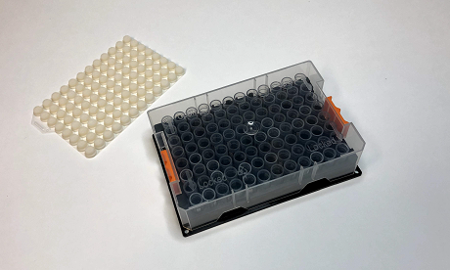
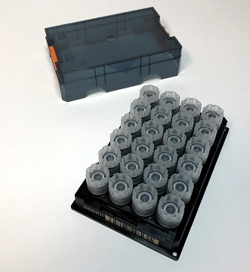
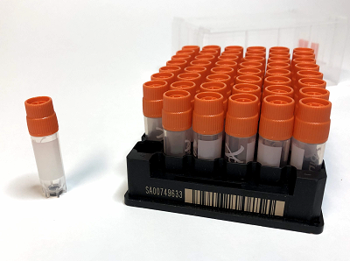

Figure 1 Example of a 2D datamatrix barcoded tube and associated 96-position storage rack for liquids (e.g., Serum, Plasma, Cell Media, etc.)
Figure 2 Example of a 2D data-Matrix barcoded tube and associated 24-position storage rack for solids (e.g., Tissue, feces, etc.).
Figure 3 Example of a 2D data-Matrix barcoded tube and associated 48-position storage rack for cell pellets.

 |  | Table 1
 |  | Label Type | Label Location
 |  | Human readable | Side
 |  | 1D barcode | Side
 |  | 2D barcode | Side
 |  | 2D Datamatrix barcode Brooks FluidX, Thermo, Matrix or equivalent | Bottom

